Sheet1
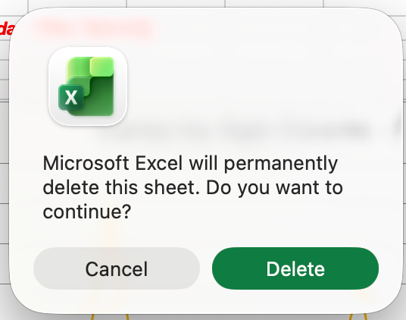
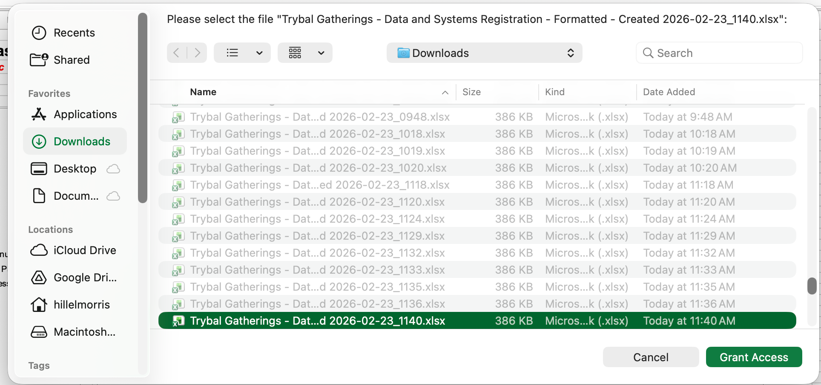


 |  | Click on Trybal Gatherings Logo. When box pops up click on file you would like run. Created file will be placed in Downloads file.

 | Notes when running Macro
When this msg box pops up, hit "Delete" each time |  |  | When this msge box pops up, hit "Grant Access" each time

